LG Chem
Produces SAP using self developed aqueous solution polymerization process | http://www.lgchem.com/upload/file/chinaplas/Division_Info/Acrylates_SAP_vf.pdf
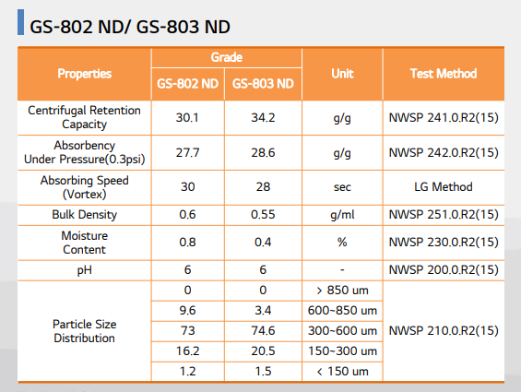

The expansion will increase the production capacity of its plants in the southwestern city of Yeosu by 180,000 tpy of crude acrylic acid to 700,000 tpy, and by 100,000 tpy of super absorbent polymer to 500,000 tpy, LG Chem said. | https://www.constructionboxscore.com/project-news/lg-chem-to-invest-$278-mm-to-increase-acrylic-acid,-super-absorbent-polymer-output.aspx

August 2021: LG Chem announced on the 4th that it mass-produced the world’s first ‘Bio-balanced’ SAP (Super Absorbent Polymer) that received ISCC Plus international certification and shipped its first exports. | https://www.lgcorp.com/media/release/23687
Bio-balanced SAP refers to SAP attributed to renewable raw materials such as waste and residue oils and fats it is a product that received ISCC Plus certification from ISCC, which is one of the most reputable certification authorities in the world for renewable products.
Furthermore, it is the first case that applied the eco-friendly integrated brand ‘LETZero’ that LG Chem recently launched.
This product, which was shipped from the Yeosu Plant, will be delivered to ‘Baby Life’, a client of LG Chem located in Jordan, and be used for making diapers, etc.
The production of the Bio-balanced SAP takes place in the context of the strategic partnership (MOU) LG Chem entered into last year with Neste, the world’s leading producer of renewable diesel and sustainable aviation fuel, and a forerunner as a provider of renewable and circular solutions for the petrochemical industry.
Upon performing a Life Cycle Assessment(LCA), it was determined that LG Chem’s Bio-balanced SAP leads to a significant decrease of 111% in greenhouse gas emissions compared to existing fossil-fuel based products and the assessment has been verified by the Korean Society for Life Cycle Assessment (KSLCA).

Production Capacity as of 2022 | https://www.lgchem.com/company/company-information/business-domain/petrochemical

Manufacturing Plants
Yeosu Complex | https://www.lgchem.com/company/company-information/global-network/domestic-corporation
Gimcheon Plant

2014 - Constructed the expansion of SAP(80,000 tons) factory in Yeosu Complex | https://www.lgchem.com/company/company-information/company-history

Revenue - Global & Segment | https://www.lgchem.com/upload/file/audit-report/LG_Chem_2021_1Q_Consolidated_Financial_Statements_ENG.pdf

 | 2020 | 2021 | https://www.lgchem.com/upload/file/audit-report/2021_LG_Chem_Consolidated_Financial_Statements_en[0].pdf
1 KRW=USD | 0.000918 | 0.000841
 |  |  | USD
Revenue | 30,058,872 | 42,654,722 | 27,594 | 35,873
Operating Profit | 1,805,359 | 5,025,466 | 1,657 | 4,226
Profit Before Tax | 951,597 | 4,890,652 | 874 | 4,113

Petrochemicals | 20,175,492 | 47.3% |  |  | 502,000
LG Energy Solutions | 17,803,863 | 41.7% |  |  | 360,000
Advanced Materials | 3,202,981 | 7.5% |  |  | 142,000
Life Sciences | 690,346 | 1.6%
Others | 782,040 | 1.8%
Total | 42,654,722

Following the expansion, its production plant in Yeosu, South Jeolla Province, has an annual production capacity of 510,000 tons of acrylic acid and 360,000 tons of SAP, the world’s fifth- and fourth-largest capacities, respectively. | https://www.koreaherald.com/view.php?ud=20150819001069#:~:text=for%20market%20leadership.-,Following%20the%20expansion%2C%20its%20production%20plant%20in%20Yeosu%2C%20South%20Jeolla,fourth%2Dlargest%20capacities%2C%20respectively.

Sumitomo
AQUA KEEP, super absorbent polymer, is a product researched and developed by our company for many years. This resin that absorbs up to 1,000 times its weight in water and is imbued with various added functions because it can be precisely designed in accordance with user needs. | https://www.sumitomoseika.co.jp/en/product/kyusui/
Drawing on these functions, this product is used to make disposable diapers, various hygiene products, and industrial products and has drawn high quality evaluations from users.
Our company’s products are produced in Japan, Singapore, France, and South Korea, and are used in countries around the world.

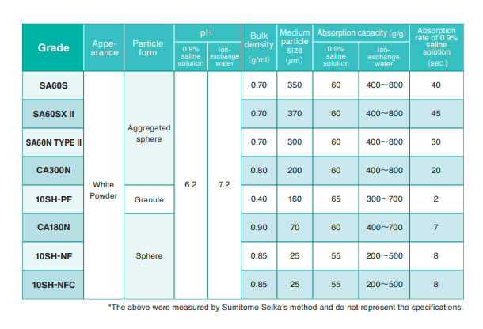
Sumitomo Seika established in 1944, is a chemical company offering products with unique functions. Our products are super absorbent polymers for disposable diapers, functional chemicals, such as polymer products for cosmetics or pharmaceutical products, electronics gases for liquid crystal and LED, and oxygen gas generators for steel manufacturers. | https://www.sumitomoseika.co.jp/en/company/outline/
 | https://sanyocorp.com/wp-content/uploads/2012/07/AQUAKEEP.pdf |  |  |  | Itochu
 |  |  |  |  | Taiwan
 |  |  |  |  | Malaysia
 |  |  |  |  | China
 |  |  |  |  | Singapore
 |  |  |  |  | Japan
 |  |  |  |  | Thailand
 |  |  |  |  | Indonesia
 |  |  |  |  | South Korea
 |  |  |  |  | United Kingdom

Manufacturing Locations | https://www.sumitomoseika.co.jp/en/company/group/
Sumitomo Seika Singapore Pte. Ltd.
Sumitomo Seika Polymers Korea Co., Ltd.
Sumitomo Seika Europe S.A./N.V.

Japan, South Korea, Singapore, and France | https://www.sumitomoseika.co.jp/_assets/dl/company/outline/sumitomoseika_company_profile@en.pdf?___
Himeji Works
Segment Wise Sales | https://www.sumitomoseika.co.jp/_assets/dl/company/outline/sumitomoseika_company_profile@en.pdf?___

Net Sales | https://ssl4.eir-parts.net/doc/4008/ir_material_for_fiscal_ym4/120539/00.pdf

Global Production Capacity By Region | https://ssl4.eir-parts.net/doc/4008/ir_material_for_fiscal_ym4/120539/00.pdf

Total Sales | https://www.sumitomoseika.co.jp/_assets/dl/ir/ir_plan/ir_20191109@en.pdf

 | FY2022 | FY2021
1 JPY= USD | 0.008213 | 0.009025
 |  |  | USD
Sales | 148 | 115.6 | 122 | 104
Operating Income | 11 | 8.1 | 9 | 7
Net Income | 9 | 5.9 | 7 | 5
 | FY2021
Super Absorbent Polymers | 78,991 | 69%
Functional Materials | 18,553 | 16%
Others | 17,196 | 15%
 | 114,740

New Plant Plans | https://www.sumitomoseika.co.jp/_assets/dl/csr/responsiblecare/SumitomoseikaReport2022_web_en.pdf

